온도센서
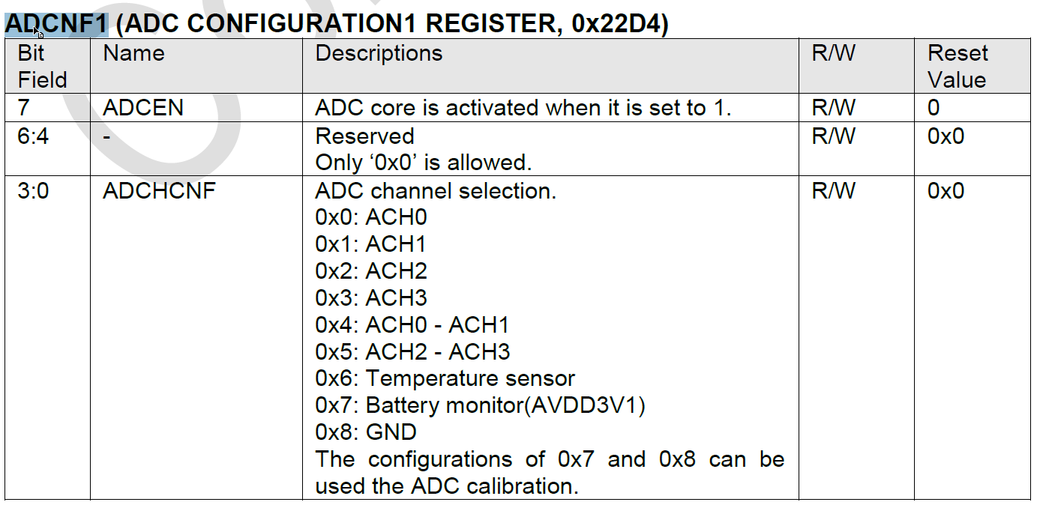
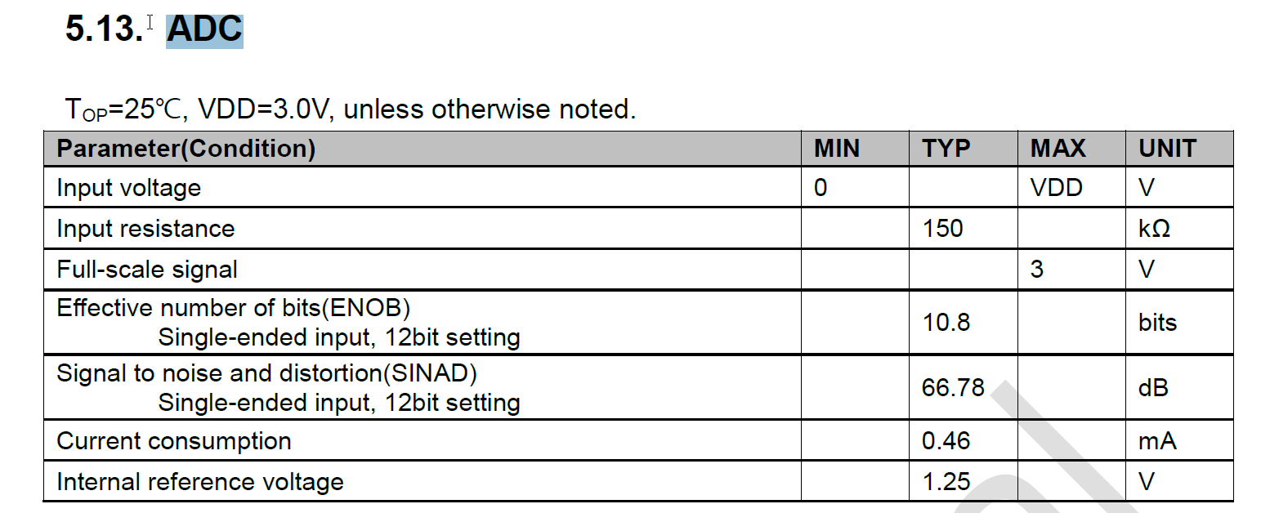
 | void ReadTempSensor(void) |  |  | ; 온도센싱취득, 캘리브레이션
 | void GetSensor_TempData(void) |  |  | ; adc data Read
 | void CalcTemperature(void) |  |  | ; 온도센싱데이터 전송
 | void TempConvert(void) |  |  | ; 온도센싱데이터 실제온도값으로 연산

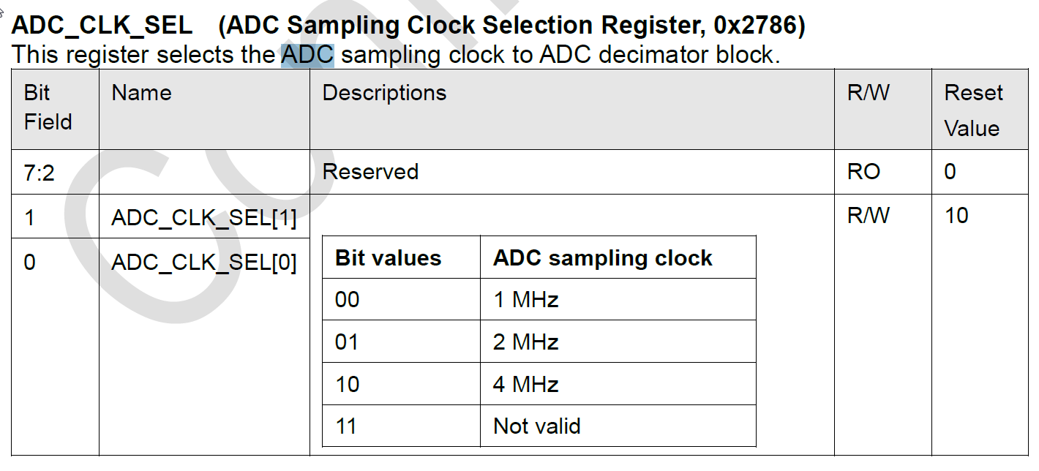
 |  |  |  |  | 1.8
온도 | RT/R25 | Res | ADC Volt |  | 100 | 0.0017982017982
0 | 3.324 | 332400 | 1.3837187789 |  | 0.1
20 | 1.25 | 125000 | 1
25 | 1 | 100000 | 0.9
40 | 0.52598 | 52598 | 0.62043014981
100 | 0.063383 | 6338.3 | 0.10728909527

 |  | 0 | -1463
 |  | 0.5 | -1207
 |  | 1 | -950
 |  | 1.5 | -687
 |  | 2 | -432
 |  | 2.5 | -153
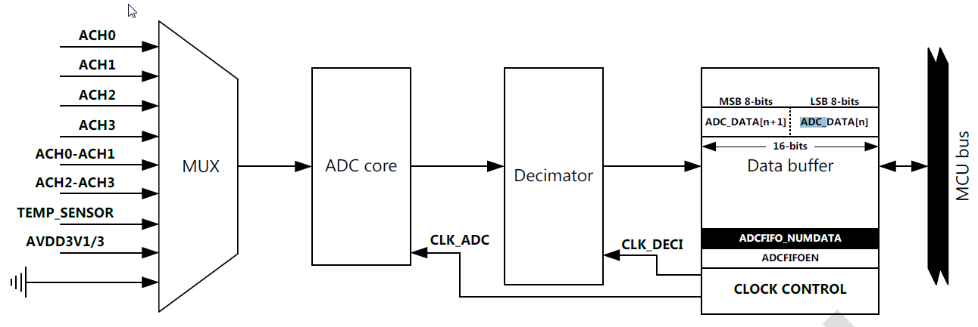
 |  | 3 | 127

